Sheet1
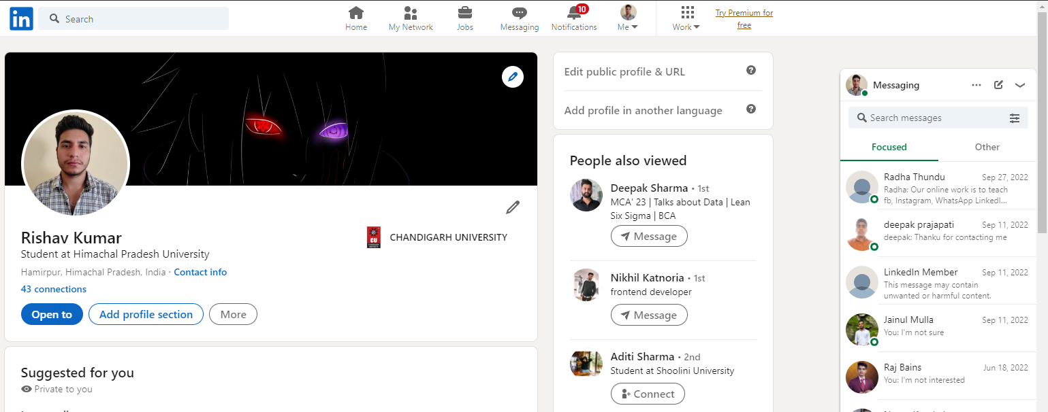
Name | Rishav Kumar
Section | 22MCD-1
Group | A
Date of experiment | 2023-02-22
Object Type | Website
Link/URL | https://www.linkedin.com/in/rishav-kumar-855535236/
Number of Test Cases | 20
Mannual/Automatic | Mannual

Functionality Testing | Description | Test Step/Test Procedure | Expected Result | Actual Result | Pass/Fail

 | Verify that the user is able to log in to LinkedIn using a valid email address and password. | Enter a valid email address and password. Click the "Sign in" button. | The user should be successfully logged in to LinkedIn. | The user should be successfully logged in to LinkedIn. | Pass
 | Verify that the user is able to create a new LinkedIn account. | Enter the required information in the sign-up form. Click the "Agree & Join" button. | The user should be able to successfully create a new LinkedIn account. | The user should be able to successfully create a new LinkedIn account. | Pass
 | User is able to search for other LinkedIn users. | Enter a search term in the search bar. Click the "Search" button. | The search results page should be displayed, showing a list of LinkedIn users that match the search term. | The search results page should be displayed, showing a list of LinkedIn users that match the search term. | Pass
 | Verify that the user is able to view and edit their LinkedIn profile. | Click the "Edit public profile & URL" button. Make changes to the profile as desired. | The user's profile should be displayed with the changes made, and the changes should be saved successfully. | The user's profile should be displayed with the changes made, and the changes should be saved successfully. | Pass
 | User is able to send and receive messages on LinkedIn. | Click the "Messaging" icon. Enter the recipient's name and message content. | The message should be sent successfully, and the user should be able to receive messages from others. | The message should be sent successfully, and the user should be able to receive messages from others. | Pass
 | Verify that the user is able to post content on LinkedIn. | Click the "Post a job" button. Enter the content for the post, including any media (e.g., images, videos). | The post should be created and displayed on the user's LinkedIn feed. | The post should be created and displayed on the user's LinkedIn feed. | Pass
 | User is able to apply for jobs on LinkedIn. | Search for job openings using the search bar. Click on a job opening to view details. Click the "Apply" button. | The job application should be submitted successfully. | The job application should be submitted successfully. | Pass

Acceptance Testing | Verify that the user interface is user-friendly and easy to navigate. | Observe the layout and design of the website. | The user interface should be easy to use and navigate, with clear and intuitive design. | The user interface should be easy to use and navigate, with clear and intuitive design. | Pass
 | Verify that the website is responsive and loads quickly. | Measure the page load time using a performance testing tool. Resize the browser window and observe the website's responsiveness. | The website should load quickly and be responsive to different screen sizes and devices. | The website should load quickly and be responsive to different screen sizes and devices. | Pass
 | Verify that the user is able to build and manage their professional network. | Manage the user's network by accepting or declining connection requests, and removing connections if desired. | The user should be able to easily build and manage their professional network on LinkedIn. | The user should be able to easily build and manage their professional network on LinkedIn. | Pass
 | Verify that the website provides relevant and useful content to the user. | Observe the content on the user's feed and explore the various sections of the website. | The website should provide relevant and useful content to the user, based on their profile and interests. | The website should provide relevant and useful content to the user, based on their profile and interests. | Pass
 | Verify that the user is able to showcase their skills and experience on their LinkedIn profile. | Edit the user's profile to add skills, experience, and other relevant information. | The user should be able to showcase their skills and experience on their LinkedIn profile, with a clear and easy-to-use editing interface. | The user should be able to showcase their skills and experience on their LinkedIn profile, with a clear and easy-to-use editing interface. | Pass
 | Verify that the website protects the user's privacy and security. | Check the website's privacy policy and security measures. Review the user's account settings and privacy options. | The website should provide robust privacy and security measures to protect the user's personal information and account data. | The website should provide robust privacy and security measures to protect the user's personal information and account data. | Pass
 | Verify that the website supports diversity, equity, and inclusion. | Explore the website's content, features, and policies to assess its support for diversity, equity, and inclusion. | The website should support diversity, equity, and inclusion, with a range of inclusive content, features, and policies. | The website should support diversity, equity, and inclusion, with a range of inclusive content, features, and policies. | Pass

Negative Testing | Verify that an invalid login attempt fails. | Enter an incorrect username or password. Attempt to log in. | The login attempt should fail, and the user should not be granted access to their account. | The login attempt should fail, and the user should not be granted access to their account. | Pass
 | Verify that an attempt to upload an unsupported file type fails. | Attempt to upload a file in an unsupported format, such as an executable file or a file type that LinkedIn does not support. | The file upload should fail, and the user should be notified that the file type is not supported. | The file upload should fail, and the user should be notified that the file type is not supported. | Pass
 | Verify that an attempt to send a message to a non-existent user fails. | Attempt to send a message to a user who does not exist on LinkedIn. | The message send attempt should fail, and the user should be notified that the user does not exist on LinkedIn. | The message send attempt should fail, and the user should be notified that the user does not exist on LinkedIn. | Pass
 | Verify that an attempt to connect with a user who has blocked the user fails. | Attempt to connect with a user who has blocked the user. | The connection request should fail, and the user should be notified that the user has blocked them on LinkedIn. | The connection request should fail, and the user should be notified that the user has blocked them on LinkedIn. | Pass
 | Verify that an attempt to delete a required field from the user's profile fails. | Attempt to delete a required field from the user's profile, such as their name or email address. | The delete attempt should fail, and the user should be notified that the field is required. | The delete attempt should fail, and the user should be notified that the field is required. | Pass
 | Verify that an attempt to create multiple accounts with the same email address fails. | Enter an email address that is already associated with another LinkedIn account. | The account creation attempt should fail, and the user should be notified that the email address is already associated with another account. | The account creation attempt should fail, and the user should be notified that the email address is already associated with another account. | Pass

